Worksheet
 |  |  |  |  |  |  |  |  |  |  | 9,151,507.00 € | 18125
IMAGE | SKU | BRAND | PRODUCT | GROUP | SEASON | GENDER | COLOR | COMPOSITION | MADE_IN_CODE | RETAIL PRICE | TOTAL RETAIL | TOT.QTY | TU | XS | S | M | L | XL | XXL | 29 | 38 | 40 | 42
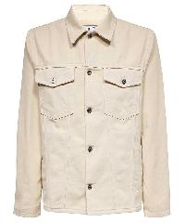 | OMYD046S23DEN003_0170 | Off-White | SHIRT | Clothing | SS | M | WHITE GREEN FLUO | 100% CO | IT | € 1495.00 | € 2990.00 | 2 |  |  |  | 1 | 1
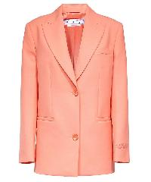 | OWEF099S23FAB002_2626 | Off-White | FORMAL JACKET | Clothing | SS | W | CORAL RED COR | 53%PL 43%WV 4%EA | IT | € 1295.00 | € 2590.00 | 2 |  |  |  |  |  |  |  |  | 1 |  | 1
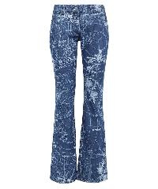 | OWYA061F23DEN006_4700 | Off-White | 5-pocket jeans | Clothing | FW | Female | denim | 100% CO | IT | € 705.00 | € 705.00 | 1 |  |  |  |  |  |  |  | 1
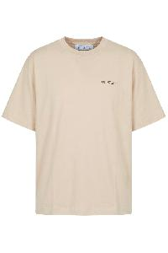 | 44OWOS26T077_272 | Off-White | Beige cotton soft versatile T-shirt | Clothing | SS | Male | beige | 100% CO | PT | € 350.00 | € 2450.00 | 7 |  |  | 4 | 1 | 2
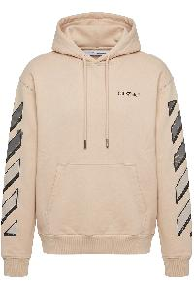 | 44OWOS26K077_272 | Off-White | Beige modern and casual hoodie | Clothing | SS | Male | beige | 100% CO | PT | € 750.00 | € 127500.00 | 170 |  | 15 | 25 | 50 | 48 | 22 | 10
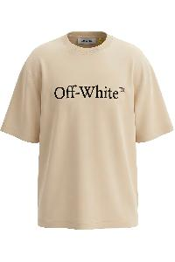 | 44OWOS26T071_272 | Off-White | Beige T-shirt with logo and comfortable short sleeves | Clothing | SS | Male | beige | 100% CO | PT | € 325.00 | € 2925.00 | 9 |  | 6 | 1 | 1 | 1
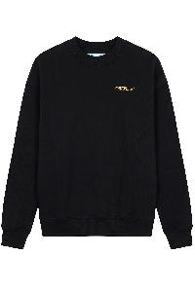 | 44OWOS26K075_001 | Off-White | Black Comfortable Sweater with Graphic Application | Clothing | SS | Male | nero | 100% CO | PT | € 550.00 | € 56650.00 | 103 |  | 13 | 15 | 30 | 28 | 12 | 5
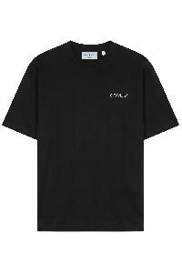 | 44OWOS26T082_001 | Off-White | Black cotton T-shirt with logo | Clothing | SS | Male | nero | 100% CO | PT | € 350.00 | € 25550.00 | 73 |  | 9 | 8 | 22 | 23 | 4 | 7
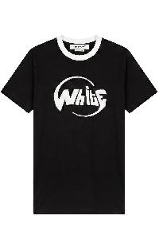 | 44OWOS26T084_001 | Off-White | Black cotton T-shirt with stylized detail | Clothing | SS | Male | nero | 100% CO | PT | € 325.00 | € 59475.00 | 183 |  | 16 | 29 | 47 | 53 | 26 | 12
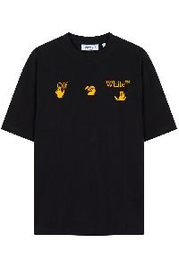 | 44OWOS26T056_713 | Off-White | Black cotton t-shirt with yellow details | Clothing | SS | Male | nero | 100% CO | PT | € 325.00 | € 325.00 | 1 |  | 1
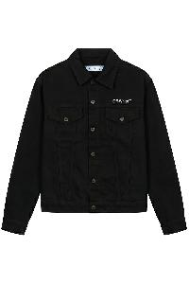 | 44OWOS26D100_001 | Off-White | Black denim jacket | Clothing | SS | Male | nero | 100% CO | TR | € 1195.00 | € 155350.00 | 130 |  | 10 | 15 | 40 | 40 | 15 | 10
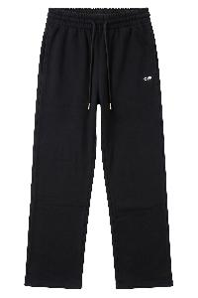 | 44OWOS26B076_001 | Off-White | Black elastic sports pants, comfortable and versatile | Clothing | SS | Male | nero | 100% CO | PT | € 450.00 | € 87750.00 | 195 |  | 13 | 28 | 57 | 57 | 27 | 13
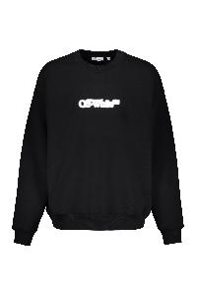 | 44MBA054G5F00C_1001 | Off-White | Black elegant minimalist sweatshirt with white logo | Clothing | FW | Male | nero | 100% CO | PT | € 695.00 | € 695.00 | 1 |  | 1
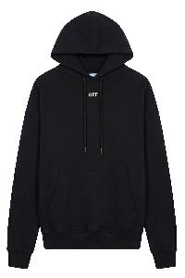 | 44OWOS26K079_001 | Off-White | Black hoodie | Clothing | SS | Male | nero | 100% CO | PT | € 750.00 | € 127500.00 | 170 |  | 15 | 25 | 50 | 48 | 22 | 10
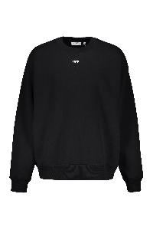 | 44MBA054G5F00F_1001 | Off-White | Black hoodie in cotton, versatile and comfortable style | Clothing | FW | Male | nero | 100% CO | PT | € 495.00 | € 3465.00 | 7 |  |  |  | 2 |  | 2 | 3
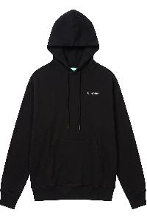 | 44OWOS26K082_001 | Off-White | Black hoodie in soft cotton | Clothing | SS | Male | nero | 100% CO | PT | € 750.00 | € 132000.00 | 176 |  | 8 | 35 | 23 | 15 | 41 | 54
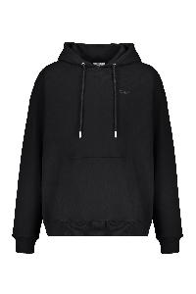 | 44MBB085G5F008_1010 | Off-White | Black hoodie sweatshirt | Clothing | FW | Male | nero | 100% CO | PT | € 695.00 | € 36140.00 | 52 |  | 5 |  | 18 | 18 | 11
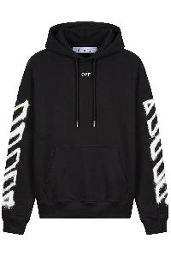 | 44OWOS26K076_001 | Off-White | Black Hoodie with Hood and Modern Print | Clothing | SS | Male | nero | 100% CO | PT | € 750.00 | € 119250.00 | 159 |  | 11 | 24 | 48 | 49 | 18 | 9
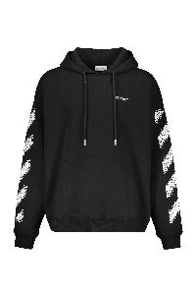 | 44MBB085G5F004_1001 | Off-White | Black hoodie with pocket | Clothing | SS | Male | nero | 100% CO | PT | € 650.00 | € 158600.00 | 244 |  | 6 |  | 78 | 74 | 86
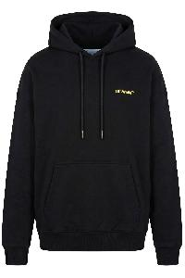 | 44OWOS26K074_001 | Off-White | Black hoodie, soft and comfortable cotton | Clothing | SS | Male | nero | 100% CO | PT | € 750.00 | € 181500.00 | 242 |  | 22 | 35 | 70 | 68 | 32 | 15
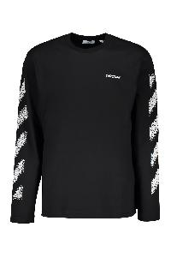 | 44MAB086G5J004_1001 | Off-White | Black long-sleeve T-shirt with graphic details | Clothing | FW | Male | nero | 100% CO | PT | € 495.00 | € 8910.00 | 18 |  | 1 | 1 |  | 6 | 10
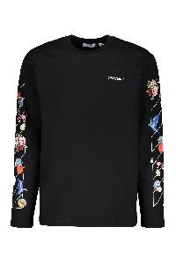 | 44MAB086G5J003_1001 | Off-White | Black long-sleeve t-shirt with modern design | Clothing | FW | Male | nero | 100% CO | PT | € 550.00 | € 550.00 | 1 |  |  |  | 1
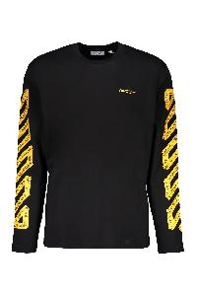 | 44MAB086G5J00B_1022 | Off-White | Black long-sleeve t-shirt with yellow logo | Clothing | SS | Male | nero | 100% CO | PT | € 475.00 | € 187150.00 | 394 |  | 31 | 33 | 123 | 108 | 97 | 2
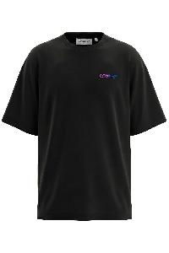 | 44OWOS26T052_001 | Off-White | Black Minimalist Comfort T-shirt and Casual Style | Clothing | SS | Male | nero | 100% CO | PT | € 350.00 | € 38850.00 | 111 |  | 10 | 12 | 33 | 35 | 15 | 6
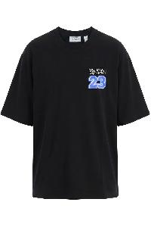 | 44OWOS26T078_001 | Off-White | Black simple T-shirt with blue logo | Clothing | SS | Male | nero | 100% CO | PT | € 350.00 | € 28350.00 | 81 |  | 11 | 18 | 28 | 16 | 5 | 3
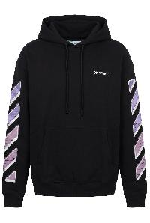 | 44OWOS26K077_001 | Off-White | Black Sports Hoodie with Hood and Logo | Clothing | SS | Male | nero | 100% CO | PT | € 750.00 | € 188250.00 | 251 |  | 22 | 36 | 72 | 69 | 34 | 18
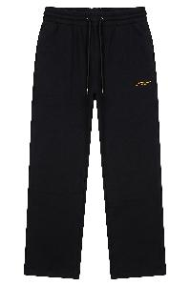 | 44OWOS26B074_001 | Off-White | Black sports trousers | Clothing | SS | Male | nero | 100% CO | PT | € 450.00 | € 41400.00 | 92 |  | 9 | 9 | 32 | 20 | 13 | 9
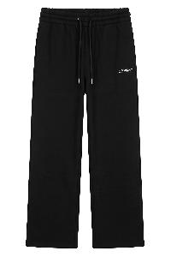 | 44OWOS26B082_001 | Off-White | Black straight elasticated trousers for everyone | Clothing | SS | Male | nero | 100% CO | PT | € 450.00 | € 43650.00 | 97 |  | 9 | 14 | 32 | 20 | 13 | 9
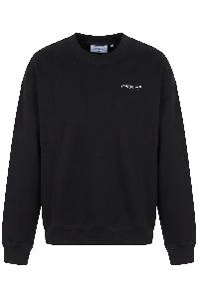 | 44OWOS26K083_001 | Off-White | Black Sweater with Long Sleeves and Discreet Embroidery | Clothing | SS | Male | nero | 100% CO | PT | € 550.00 | € 137500.00 | 250 |  | 22 | 36 | 72 | 68 | 34 | 18
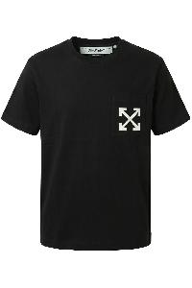 | 44OWOS26T062_001 | Off-White | Black t-shirt with elegant and modern logo | Clothing | SS | Male | nero | 100% CO | PT | € 295.00 | € 31565.00 | 107 |  | 9 | 13 | 37 | 33 | 12 | 3
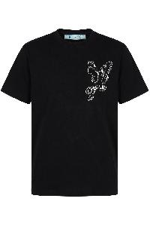 | 44OWOS26T085_001 | Off-White | Black T-shirt with logo | Clothing | SS | Male | nero | 100% CO | PT | € 350.00 | € 350.00 | 1 |  | 1
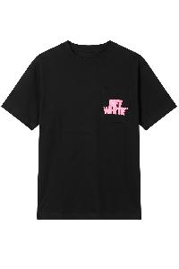 | 44OWOS26T080_001 | Off-White | Black T-shirt with logo | Clothing | SS | Male | nero | 100% CO | PT | € 350.00 | € 2100.00 | 6 |  |  | 3 | 1 | 2
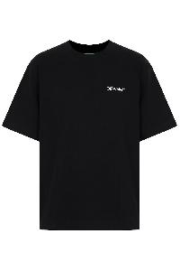 | 44OWOS26T077_001 | Off-White | black T-shirt with logo | Clothing | SS | Male | nero | 100% CO | PT | € 350.00 | € 19950.00 | 57 |  | 3 | 12 |  |  | 18 | 24
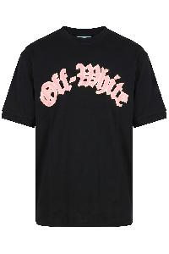 | 44OWOS26T072_001 | Off-White | Black t-shirt with modern and casual graphics | Clothing | SS | Male | nero | 100% CO | PT | € 350.00 | € 35000.00 | 100 |  | 11 | 15 |  | 9 | 27 | 38
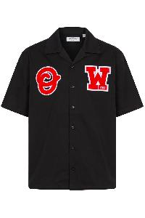 | 44MWS001F5001_001 | Off-White | Black T-shirt with Red Embroidery Casual | Clothing | SS | Male | nero | 100% CO | TR | € 575.00 | € 575.00 | 1 |  | 1
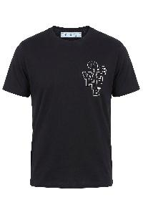 | 44OWOS26T063_001 | Off-White | Black, soft and versatile men's t-shirt | Clothing | SS | Male | nero | 100% CO | PT | € 325.00 | € 19175.00 | 59 |  |  |  | 18 | 21 | 8 | 12
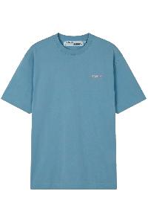 | 44OWOS26T074_424 | Off-White | Blue casual cotton T-shirt with logo | Clothing | SS | Male | azzurro | 100% CO | PT | € 350.00 | € 5950.00 | 17 |  | 10 | 3 | 1 | 2 | 1
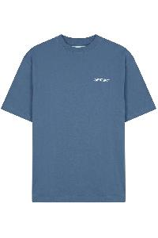 | 44OWOS26T082_403 | Off-White | Blue comfortable T-shirt with logo, regular fit | Clothing | SS | Male | blu | 100% CO | PT | € 350.00 | € 78050.00 | 223 |  | 17 | 30 | 70 | 67 | 26 | 13
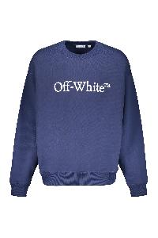 | 44MBA054G5F00E_4901 | Off-White | Blue dark comfortable sweatshirt with printed logo | Clothing | SS | Male | blu | 100% CO | PT | € 550.00 | € 161150.00 | 293 |  | 41 | 68 | 110 | 45 | 29
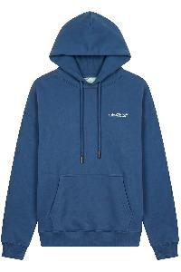 | 44OWOS26K082_403 | Off-White | Blue hoodie | Clothing | SS | Male | blu | 100% CO | PT | € 750.00 | € 150750.00 | 201 |  | 14 | 29 | 58 | 58 | 28 | 14
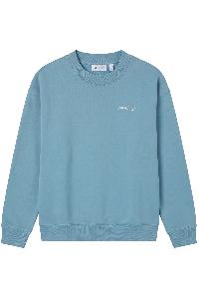 | 44OWOS26K075_424 | Off-White | Blue sweater long sleeves comfortable and casual | Clothing | SS | Male | azzurro | 100% CO | PT | € 550.00 | € 77000.00 | 140 |  | 10 | 20 | 40 | 40 | 20 | 10
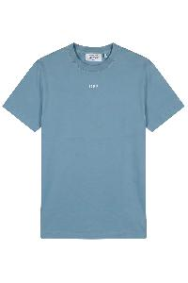 | 44OWOS26T002_424 | Off-White | Blue T-shirt Short Sleeves | Clothing | SS | Male | azzurro | 100% CO | PT | € 325.00 | € 85150.00 | 262 |  | 19 | 37 | 77 | 74 | 37 | 18
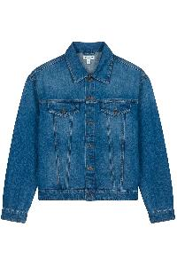 | 44OWOS26D097_464 | Off-White | Classic Blue Denim Jacket | Clothing | SS | Male | denim | 100% CO | TR | € 1195.00 | € 107550.00 | 90 |  | 8 | 7 | 28 | 29 | 9 | 9
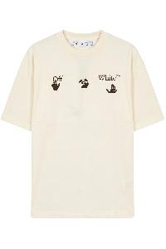 | 44OWOS26T056_102 | Off-White | Comfy cream T-shirt with minimalist graphic | Clothing | SS | Male | avorio | 100% CO | PT | € 325.00 | € 650.00 | 2 |  | 1 |  | 1
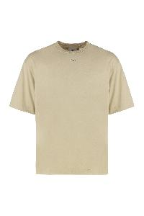 | 44MAA120G5J00L_6110 | Off-White | Cotton crew-neck T-shirt | Clothing | FW | Male | beige | 100% CO | PT | € 285.00 | € 285.00 | 1 |  | 1
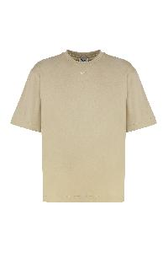 | 44MAA120G5J00M_6101 | Off-White | Cotton crew-neck T-shirt | Clothing | FW | Male | beige | 100% CO | PT | € 350.00 | € 350.00 | 1 |  |  |  |  | 1
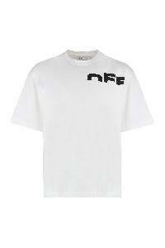 | 44MAA120G5J007_0110 | Off-White | Cotton crew-neck T-shirt | Clothing | FW | Male | bianco | 100% CO | PT | € 395.00 | € 1185.00 | 3 |  |  |  |  | 3
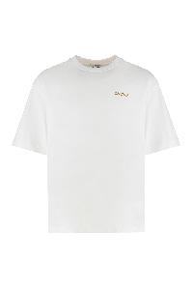 | 44MAA120G5J009_0122 | Off-White | Cotton crew-neck T-shirt | Clothing | SS | Male | bianco | 100% CO | PT | € 360.00 | € 1440.00 | 4 |  |  | 4
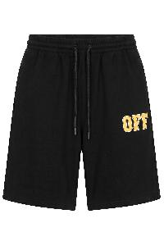 | 44OWOS26B083_001 | Off-White | Cotton Shorts with Adjustable Drawstring | Clothing | SS | Male | nero | 100% CO | PT | € 395.00 | € 9085.00 | 23 |  | 2 | 6 | 8 |  | 1 | 6
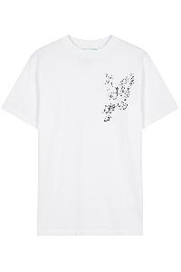 | 44OWOS26T085_100 | Off-White | Cotton t-shirt with print | Clothing | SS | Male | bianco | 100% CO | PT | € 350.00 | € 51450.00 | 147 |  | 12 | 19 | 44 | 42 | 17 | 13
 | 44OWOS26K083_100 | Off-White | Elegant and Comfortable White Sweater for Everyone | Clothing | SS | Male | bianco | 100% CO | PT | € 550.00 | € 228250.00 | 415 |  | 33 | 59 | 118 | 118 | 58 | 29
 | 44MBB085G5F00F_1010 | Off-White | Elegant and versatile black hoodie | Clothing | SS | Male | nero | 100% CO | PT | € 650.00 | € 198250.00 | 305 |  | 9 | 12 | 96 | 106 | 72 | 10
 | 44OWOS26K078_001 | Off-White | Elegant black sweater with white graphic details | Clothing | SS | Male | nero | 100% CO | PT | € 550.00 | € 133650.00 | 243 |  | 11 | 36 | 71 | 71 | 36 | 18
 | 44MBA054G5F00F_4901 | Off-White | Elegant dark blue sweatshirt, comfort and style | Clothing | FW | Male | blu | 100% CO | PT | € 495.00 | € 15345.00 | 31 |  | 5 |  | 2 | 11 | 9 | 4
 | 44OWOS26K083_030 | Off-White | Elegant gray hoodie with embroidered logo | Clothing | SS | Male | grigio | 100% CO | PT | € 550.00 | € 104500.00 | 190 |  | 14 | 28 | 56 | 56 | 28 | 8
 | 44OWOS26T062_030 | Off-White | Gray cotton T-shirt with graphic on the pocket | Clothing | SS | Male | grigio | 100% CO | PT | € 295.00 | € 26550.00 | 90 |  | 8 | 17 | 32 | 24 | 3 | 6
 | 44OWOS26T084_030 | Off-White | Gray cotton T-shirt with print | Clothing | SS | Male | grigio | 100% CO | PT | € 325.00 | € 87425.00 | 269 |  | 19 | 39 | 78 | 77 | 38 | 18
 | 44OWOS26T080_030 | Off-White | Gray crew neck T-shirt with print on the pocket | Clothing | SS | Male | grigio chiaro | 100% CO | PT | € 350.00 | € 40950.00 | 117 |  | 11 | 21 | 44 | 30 | 11
 | 44OWOS26K074_030 | Off-White | Gray Hoodie with Hood: Comfort and Style | Clothing | SS | Male | grigio | 100% CO | PT | € 750.00 | € 135000.00 | 180 |  | 15 | 26 | 52 | 50 | 24 | 13
 | 44OWOS26T073_030 | Off-White | Gray shirt with long sleeves | Clothing | SS | Male | grigio | 100% CO | PT | € 475.00 | € 119700.00 | 252 |  | 17 | 37 | 74 | 73 | 34 | 17
 | 44OWOS26B074_030 | Off-White | Gray sports pants | Clothing | SS | Male | grigio chiaro | 100% CO | PT | € 450.00 | € 68850.00 | 153 |  | 12 | 23 | 46 | 44 | 18 | 10
 | 44OWOS26T083_030 | Off-White | Gray T-shirt "OFF" with dark collar | Clothing | SS | Male | grigio chiaro | 100% CO | PT | € 350.00 | € 41650.00 | 119 |  | 7 | 18 | 35 | 36 | 15 | 8
 | 44OWOS26T061_030 | Off-White | Gray T-shirt Cotton Soft Short Sleeves | Clothing | SS | Male | grigio chiaro | 100% CO | PT | € 325.00 | € 325.00 | 1 |  |  |  |  |  | 1
 | 44OWOS26T072_030 | Off-White | Gray T-shirt with print | Clothing | SS | Male | grigio | 100% CO | PT | € 350.00 | € 26600.00 | 76 |  | 7 | 13 | 26 | 16 | 9 | 5
 | 44OWOS26T078_030 | Off-White | Gray Wide T-shirt with Contrast Logo | Clothing | SS | Male | grigio chiaro | 100% CO | PT | € 350.00 | € 92050.00 | 263 |  | 19 | 37 | 77 | 75 | 36 | 19
 | 44MBA054G5F00C_5601 | Off-White | Green olive comfort sweatshirt long sleeves | Clothing | SS | Male | verde | 100% CO | PT | € 550.00 | € 129800.00 | 236 |  | 18 | 13 | 79 | 66 | 51 | 9
 | 44MBB085G5F00L_6110 | Off-White | Hooded sweatshirt beige, comfort and style | Clothing | FW | Male | beige | 100% CO | PT | € 695.00 | € 23630.00 | 34 |  | 2 |  | 9 | 14 | 9
 | 44MBB085G5F00Q_6E01 | Off-White | Hooded Sweatshirt Brown Modern Casual Comfort | Clothing | FW | Male | marrone | 100% CO | PT | € 595.00 | € 1785.00 | 3 |  | 1 |  | 2
 | 44MBB085G5F00K_6E01 | Off-White | Hooded sweatshirt in brown, comfort and style | Clothing | SS | Male | marrone | 100% CO | PT | € 650.00 | € 239200.00 | 368 |  | 12 | 23 | 119 | 109 | 96 | 9
 | 44MBB085G5F007_0110 | Off-White | Hooded sweatshirt in comfortable and versatile white. | Clothing | FW | Male | bianco | 100% CO | PT | € 695.00 | € 4170.00 | 6 |  |  |  |  |  | 6
 | 44MBB085G5F00P_1030 | Off-White | Hoodie made of cotton | Clothing | SS | Male | nero | 100% CO | PT | € 650.00 | € 137150.00 | 211 |  |  | 13 | 68 | 66 | 64
 | OWHI087S23KNI001_4540 | Off-White | Intarsia knit-dress | Clothing | FW | Female | blu | 83% VI 17% PL | IT | € 1255.00 | € 1255.00 | 1 |  |  |  |  |  |  |  |  |  |  | 1
 | 44OWOS26B084_030 | Off-White | Light gray cotton shorts with pocket | Clothing | SS | Male | grigio chiaro | 100% CO | PT | € 395.00 | € 64780.00 | 164 |  | 3 | 13 | 55 | 57 | 24 | 12
 | 44OWOS26K079_030 | Off-White | Light gray hoodie versatile | Clothing | SS | Male | grigio chiaro | 100% CO | PT | € 750.00 | € 127500.00 | 170 |  | 15 | 25 | 50 | 48 | 22 | 10
 | 44OWOS26T079_030 | Off-White | Light gray T-shirt | Clothing | SS | Male | grigio chiaro | 100% CO | PT | € 350.00 | € 105000.00 | 300 |  | 28 | 50 | 86 | 85 | 35 | 16
 | 44OWOS26T002_740 | Off-White | Light yellow T-shirt in soft cotton | Clothing | SS | Male | giallo | 100% CO | PT | € 325.00 | € 133575.00 | 411 |  | 30 | 59 | 117 | 119 | 58 | 28
 | 44OWOS26B084_001 | Off-White | Lightweight black cotton shorts with back pocket | Clothing | SS | Male | nero | 100% CO | PT | € 395.00 | € 62805.00 | 159 |  | 6 | 13 | 52 | 52 | 25 | 11
 | 44MCH054G5F00A_4901 | Off-White | Lightweight blue pants with adjustable drawstring | Clothing | SS | Male | blu | 100% CO | PT | € 495.00 | € 322740.00 | 652 |  | 34 | 55 | 206 | 201 | 127 | 29
 | 44OWOS26B076_100 | Off-White | Lightweight white pants with practical pockets | Clothing | SS | Male | bianco | 100% CO | PT | € 450.00 | € 90450.00 | 201 |  | 14 | 29 | 58 | 58 | 28 | 14
 | 44MCH054G5F00C_1001 | Off-White | Long comfortable black pants with pockets | Clothing | FW | Male | nero | 100% CO | PT | € 450.00 | € 900.00 | 2 |  |  |  |  | 1 |  | 1
 | OWVB031F23JER001_1001 | Off-White | Long sleeve crop top | Clothing | FW | Female | nero | 86% VI 10% NY 4% EA | IT | € 605.00 | € 605.00 | 1 |  | 1
 | 44MBA054G5F00A_0110 | Off-White | Long sleeve sweatshirt with print | Clothing | FW | Male | bianco | 100% CO | PT | € 695.00 | € 50040.00 | 72 |  | 5 | 2 | 22 | 24 | 15 | 4
 | 44MBA054G5F00F_0510 | Off-White | Long sleeve sweatshirt with printed logo | Clothing | FW | Male | grigio | 100% CO | PT | € 495.00 | € 1485.00 | 3 |  |  |  |  | 2 |  | 1
 | 44MAB086G5J009_0505 | Off-White | Long sleeve T-shirt | Clothing | FW | Male | grigio | 100% CO | PT | € 550.00 | € 40150.00 | 73 |  | 6 | 5 | 25 | 24 | 12 | 1
 | 44OWOS26T073_001 | Off-White | Long sleeve t-shirt | Clothing | SS | Male | nero | 100% CO | PT | € 475.00 | € 128725.00 | 271 |  | 19 | 39 | 78 | 78 | 38 | 19
 | 44MAB086G5J004_0110 | Off-White | Long sleeve T-shirt with decorations | Clothing | FW | Male | bianco | 100% CO | PT | € 495.00 | € 30690.00 | 62 |  | 5 | 2 | 19 | 23 | 13
 | 44MAB086G5J004_6110 | Off-White | Long sleeve t-shirt with graphic details | Clothing | FW | Male | beige | 100% CO | PT | € 495.00 | € 25245.00 | 51 |  | 4 | 2 | 12 | 19 | 14
 | 44MAB086G5J007_1001 | Off-White | Long sleeve t-shirt with stylized graphics | Clothing | FW | Male | nero | 100% CO | PT | € 495.00 | € 33165.00 | 67 |  | 5 | 4 | 18 | 22 | 17 | 1
 | 44MBA054G5F007_0110 | Off-White | Long-sleeve sweatshirt | Clothing | FW | Male | bianco | 100% CO | PT | € 650.00 | € 29250.00 | 45 |  | 3 | 1 | 18 | 19 | 4
 | 44MAB086G5J009_1001 | Off-White | Long-sleeve t-shirt | Clothing | FW | Male | nero | 100% CO | PT | € 550.00 | € 22550.00 | 41 |  | 3 | 3 | 13 | 13 | 8 | 1
 | 44MBA054G5F00A_1001 | Off-White | Long-sleeved sweatshirt | Clothing | SS | Male | nero | 100% CO | PT | € 520.00 | € 19760.00 | 38 |  |  |  | 6 |  | 32
 | 44MAB086G5J005_1001 | Off-White | Long-sleeved t-shirt, comfortable and versatile | Clothing | FW | Male | nero | 100% CO | PT | € 550.00 | € 35200.00 | 64 |  | 3 |  | 22 | 24 | 15
 | 44MCH054G5F008_1001 | Off-White | Loose black sports pants | Clothing | FW | Male | nero | 100% CO | PT | € 475.00 | € 20425.00 | 43 |  |  |  | 3 | 40
 | 44OWOS26T078_403 | Off-White | Loose blue gray T-shirt with colorful print | Clothing | SS | Male | azzurro | 100% CO | PT | € 350.00 | € 92750.00 | 265 |  | 19 | 39 | 78 | 76 | 38 | 15
 | 44OWOS26T002_333 | Off-White | Mint green soft and light T-shirt | Clothing | SS | Male | kaki | 100% CO | PT | € 325.00 | € 133250.00 | 410 |  | 30 | 59 | 118 | 118 | 57 | 28
 | 44OWOS26T002_272 | Off-White | Modern beige T-shirt, comfortable and versatile | Clothing | SS | Male | beige | 100% CO | PT | € 325.00 | € 133250.00 | 410 |  | 30 | 60 | 119 | 116 | 57 | 28
 | 44MBA054G5F00B_1001 | Off-White | Modern black sweatshirt with white stripes | Clothing | FW | Male | nero | 100% CO | PT | € 650.00 | € 650.00 | 1 |  |  |  | 1
 | 44OWOS26K071_313 | Off-White | Olive Green Soft and Versatile Sweatshirt for Men | Clothing | SS | Male | verde | 100% CO | PT | € 550.00 | € 154000.00 | 280 |  | 20 | 40 | 80 | 80 | 40 | 20
 | 44MBA054G5F00D_5610 | Off-White | Olive green sweatshirt in cotton | Clothing | SS | Male | verde | 100% CO | PT | € 475.00 | € 138225.00 | 291 |  | 16 | 18 | 100 | 78 | 63 | 16
 | 44OWOS26T075_313 | Off-White | Olive green T-shirt in soft cotton | Clothing | SS | Male | verde | 100% CO | PT | € 350.00 | € 36050.00 | 103 |  | 10 | 15 | 28 | 28 | 14 | 8
 | 44OWOS26T071_313 | Off-White | Olive green T-shirt with central print | Clothing | SS | Male | verde | 100% CO | PT | € 325.00 | € 70850.00 | 218 |  | 18 | 31 | 62 | 63 | 28 | 16
 | 44OWOS26T080_313 | Off-White | Olive T-shirt with print | Clothing | SS | Male | verde | 100% CO | PT | € 350.00 | € 59500.00 | 170 |  | 11 | 25 | 50 | 48 | 24 | 12
 | 44OWOS26T053_313 | Off-White | Oversized cotton t-shirt in olive color | Clothing | SS | Male | verde | 100% CO | PT | € 325.00 | € 53950.00 | 166 |  | 14 | 26 | 50 | 47 | 21 | 8
 | 44OWOS26T079_661 | Off-White | Pink T-shirt made of soft and versatile cotton | Clothing | SS | Male | rosa | 100% CO | PT | € 350.00 | € 66150.00 | 189 |  | 17 | 29 | 53 | 51 | 23 | 16
 | OWCA130S21FAB005_0110 | Off-White | Printed trousers | Clothing | SS | W | bianco | 100% VI | IT | € 780.00 | € 10920.00 | 14 |  |  |  |  |  |  |  |  | 4 | 5 | 5
 | 44OWOS26B083_030 | Off-White | Short Sports Pants in Gray Cotton | Clothing | SS | Male | grigio | 100% CO | PT | € 395.00 | € 8690.00 | 22 |  | 2 | 6 | 7 |  |  | 7
 | 44OWOS26T072_100 | Off-White | Short-sleeve t-shirt with print | Clothing | SS | Male | bianco | 100% CO | PT | € 350.00 | € 31500.00 | 90 |  | 9 | 13 | 25 | 27 | 12 | 4
 | 44MBB085G5F00K_0110 | Off-White | Sweatshirt White with Hood and Pocket | Clothing | FW | Male | bianco | 100% CO | PT | € 695.00 | € 695.00 | 1 |  |  |  |  | 1
 | 44OWOS26T053_001 | Off-White | T-shirt in black cotton | Clothing | SS | Male | nero | 100% CO | PT | € 325.00 | € 25350.00 | 78 |  | 6 | 18 | 26 | 20 | 8
 | 44OWOS26T079_100 | Off-White | T-shirt minimal | Clothing | SS | Male | bianco | 100% CO | PT | € 350.00 | € 16450.00 | 47 |  | 5 | 8 | 4 | 19 | 8 | 3
 | 44OWOS26T062_100 | Off-White | T-shirt with minimal logo | Clothing | SS | Male | bianco | 100% CO | PT | € 295.00 | € 40710.00 | 138 |  | 10 | 22 | 43 | 41 | 13 | 9
 | 44OWOS26T079_001 | Off-White | Versatile black t-shirt | Clothing | SS | Male | nero | 100% CO | PT | € 350.00 | € 53900.00 | 154 |  | 16 | 24 | 55 | 43 | 16
 | 44MCH054G5F00A_0110 | Off-White | Versatile white pants with modern design | Clothing | FW | Male | bianco | 100% CO | PT | € 475.00 | € 3800.00 | 8 |  |  |  |  | 3 | 5
 | 44OWOS26K078_100 | Off-White | White casual shirt in breathable cotton | Clothing | SS | Male | bianco | 100% CO | PT | € 550.00 | € 154000.00 | 280 |  | 20 | 40 | 80 | 80 | 40 | 20
 | 44OWOS26T077_100 | Off-White | White cotton minimalistic T-shirt with logo | Clothing | SS | Male | bianco | 100% CO | PT | € 350.00 | € 60900.00 | 174 |  | 14 | 20 | 52 | 52 | 24 | 12
 | 44OWOS26K075_100 | Off-White | White cotton sweatshirt | Clothing | SS | Male | bianco | 100% CO | PT | € 550.00 | € 154000.00 | 280 |  | 20 | 40 | 80 | 80 | 40 | 20
 | 44MBA054G5F004_0110 | Off-White | White cotton sweatshirt, comfort and style | Clothing | FW | Male | bianco | 100% CO | PT | € 695.00 | € 28495.00 | 41 |  | 2 | 1 | 19 | 10 | 9
 | 44OWOS26T061_100 | Off-White | White cotton T-shirt with logo | Clothing | SS | Male | bianco | 100% CO | PT | € 325.00 | € 14950.00 | 46 |  |  |  | 17 | 17 | 6 | 6
 | 44OWOS26K079_100 | Off-White | White hoodie | Clothing | SS | Male | bianco | 100% CO | PT | € 750.00 | € 156750.00 | 209 |  | 15 | 30 | 60 | 60 | 30 | 14
 | 44MBB085G5F0OQ_0510 | Off-White | White hoodie with kangaroo pocket | Clothing | SS | Male | bianco | 100% CO | PT | € 625.00 | € 231875.00 | 371 |  | 19 | 29 | 110 | 106 | 88 | 19
 | 44MBB085G5F004_0110 | Off-White | White hoodie with pocket | Clothing | FW | Male | bianco | 100% CO | PT | € 695.00 | € 103555.00 | 149 |  | 8 | 2 | 43 | 54 | 37 | 5
 | 44OWOS26K077_100 | Off-White | White hoodie with stylish stripes | Clothing | SS | Male | bianco | 100% CO | PT | € 750.00 | € 157500.00 | 210 |  | 15 | 30 | 60 | 60 | 30 | 15
 | 44OWOS26K076_100 | Off-White | White hoodie, comfort and style | Clothing | SS | Male | bianco | 100% CO | PT | € 750.00 | € 157500.00 | 210 |  | 15 | 30 | 60 | 60 | 30 | 15
 | 44MBB085G5F00B_0110 | Off-White | White hoodie, modern style | Clothing | FW | Male | bianco | 100% CO | PT | € 695.00 | € 6950.00 | 10 |  |  |  |  |  | 10
 | 44MBB085G5F00G_0510 | Off-White | White Hoodie: Versatile Comfort Casual | Clothing | SS | Male | bianco | 100% CO | PT | € 625.00 | € 234375.00 | 375 |  | 12 | 15 | 110 | 117 | 99 | 22
 | 44OWOS26T073_100 | Off-White | White long-sleeve shirt with original graphic | Clothing | SS | Male | bianco | 100% CO | PT | € 475.00 | € 126350.00 | 266 |  | 18 | 38 | 77 | 78 | 37 | 18
 | 44OWOS26T078_100 | Off-White | White loose t-shirt with minimalist logo | Clothing | SS | Male | bianco | 100% CO | PT | € 350.00 | € 84700.00 | 242 |  | 18 | 36 | 67 | 69 | 35 | 17
 | 44OWOS26T082_100 | Off-White | White minimalist cotton t-shirt | Clothing | SS | Male | bianco | 100% CO | PT | € 350.00 | € 65800.00 | 188 |  | 12 | 25 | 59 | 55 | 24 | 13
 | 44OWOS26K082_100 | Off-White | White sweatshirt with hood | Clothing | SS | Male | bianco | 100% CO | PT | € 750.00 | € 150750.00 | 201 |  | 14 | 29 | 58 | 58 | 28 | 14
 | 44OWOS26T074_100 | Off-White | white t-shirt with short sleeves | Clothing | SS | Male | bianco | 100% CO | PT | € 350.00 | € 50750.00 | 145 |  | 11 | 21 | 41 | 40 | 21 | 11
 | 44OWOS26T084_100 | Off-White | White T-shirt with stylized black logo | Clothing | SS | Male | bianco | 100% CO | PT | € 325.00 | € 83525.00 | 257 |  | 18 | 37 | 75 | 73 | 36 | 18
 | OMPA025PLA004_1001 | Off-White | Printed iPhone 12 mini case | Accessories | FW | M | nero | 80% PU 20% AC | CN | € 79.00 | € 237.00 | 3 | 3

